OFFER
 | CHRISTIAN LOUBOUTIN | WOMEN'S SHOES

 |  |  |  |  |  |  |  |  |  |  |  |  |  |  |  |  |  |  |  |  |  |  |  |  |  |  | 1,492 | USD
Picture | Style # | Color Name | Description | 34 | 34.5 | 35 | 35.5 | 36 | 36.5 | 37 | 37.5 | 38 | 38.5 | 39 | 39.5 | 4 | 4.5 | 40 | 40.5 | 41 | 41.5 | 42 | 42.5 | 43 | 44 | 45 | QTY | MSRP | PRICE
 | 3210973WH43 | White | Flat |  |  | 7 | 7 | 17 | 18 | 30 | 24 | 31 | 21 | 33 | 20 |  |  | 22 |  |  |  |  |  |  |  |  | 230 | $750.00 | $417.50
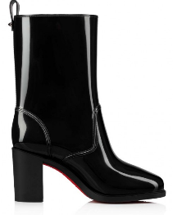 | 3211172BK01 | Black | Boot |  |  | 6 |  | 18 |  | 23 |  | 28 |  | 37 |  |  |  | 13 |  |  |  |  |  |  |  |  | 125 | $795.00 | $441.35
 | 3211155J856 | Black | Flat |  |  | 3 | 3 | 6 | 5 | 10 | 10 | 14 | 9 | 14 | 8 |  |  | 10 |  |  |  |  |  |  |  |  | 92 | $950.00 | $523.50
 | 3210101P669 | Pink | Sandal | 2 |  | 7 |  | 11 |  | 25 |  | 19 |  | 20 |  |  |  | 21 |  | 17 |  | 16 |  | 1 |  |  | 139 | $395.00 | $229.35
 | 3190690W256 | White | Sandal |  |  | 7 |  | 9 |  | 8 |  | 7 |  | 19 |  |  |  | 15 |  | 10 | 2 | 10 |  |  |  |  | 87 | $560.00 | $316.80
 | 1221230C817 | Tan | Sandal |  |  | 2 |  | 3 | 1 | 2 |  | 5 |  | 8 | 1 |  |  | 6 | 1 | 4 | 2 | 3 |  |  |  |  | 38 | $645.00 | $361.85
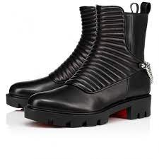 | 1210230BK01 | Black | Boot | 1 | 1 | 1 |  | 1 | 2 | 3 | 4 | 3 | 6 | 4 | 1 |  |  | 2 |  | 1 | 1 | 1 |  |  |  |  | 32 | $1,495.00 | $812.35
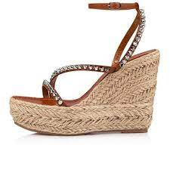 | 3220093T340 | Tan | Wedge | 1 |  | 4 |  | 7 |  | 12 |  | 10 |  | 12 |  |  |  | 5 |  | 2 |  | 4 |  |  |  |  | 57 | $875.00 | $483.75
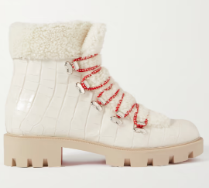 | 1220556W418 | White | Boot |  |  | 1 |  | 2 | 1 | 4 | 2 | 5 | 3 | 3 | 2 |  |  | 4 |  | 2 | 1 | 3 |  |  |  |  | 33 | $1,595.00 | $865.35
 | 3210669M024 | White | Espadrilles | 1 |  | 2 |  | 5 |  | 6 |  | 9 |  | 7 |  |  |  | 8 |  | 3 |  | 4 |  |  |  |  | 45 | $695.00 | $388.35
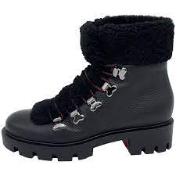 | 1220497BK01 | Black | Boot | 1 |  | 1 |  | 3 | 2 | 7 | 3 | 9 | 4 | 9 | 3 |  |  | 2 | 2 | 4 |  | 4 |  |  |  |  | 54 | $1,595.00 | $865.35
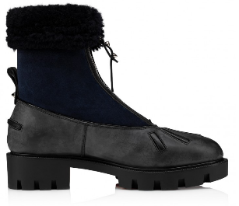 | 3221115CM47 | Black | Boot |  |  |  | 1 | 3 | 1 | 2 | 2 | 5 | 3 | 5 | 3 |  |  | 2 | 2 | 1 |  | 1 |  |  |  |  | 31 | $1,495.00 | $812.35
 | 1221258W222 | White | Sandal | 1 |  |  |  | 3 |  | 6 |  | 4 |  | 9 |  |  |  | 6 |  | 1 |  |  |  |  |  |  | 30 | $695.00 | $388.35
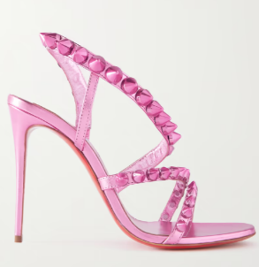 | 1221183P680 | Pink | Sandal |  | 1 | 2 |  | 6 |  | 7 | 1 | 5 |  |  |  |  |  | 2 |  |  | 1 | 2 |  |  |  |  | 27 | $995.00 | $547.35
 | 1210557BK01 | Black | Pump | 1 | 1 | 1 | 2 | 3 | 4 | 1 | 2 | 3 | 4 |  | 4 |  |  | 2 | 1 | 1 | 1 | 1 |  |  |  |  | 32 | $775.00 | $430.75
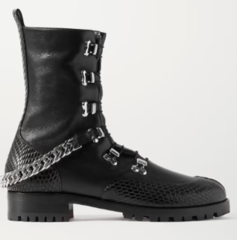 | 3200582BK65 | Black | Boot | 1 | 1 | 1 | 1 | 1 | 1 | 3 | 3 | 3 | 2 | 1 |  |  |  | 3 | 1 | 1 | 1 | 1 |  |  |  |  | 25 | $1,395.00 | $759.35
 | 1221269BK01 | Black | Sandal |  |  | 1 |  | 2 |  | 4 | 1 | 4 |  | 4 | 2 |  |  | 5 | 2 | 6 | 1 | 4 |  |  |  |  | 36 | $745.00 | $414.85
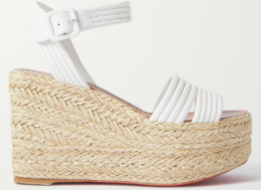 | 1221252T190 | Natural | Wedge |  |  |  |  | 1 |  | 1 |  | 2 |  | 2 |  |  |  | 7 |  | 5 |  | 4 |  |  |  |  | 22 | $795.00 | $441.35
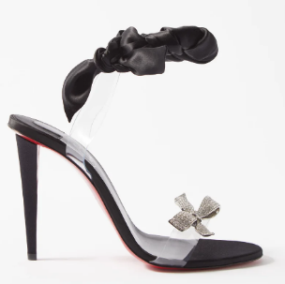 | 3220298B439 | Black | Sandal |  |  | 1 |  | 1 |  | 1 | 1 | 3 | 1 | 2 | 1 |  |  | 2 | 1 | 2 | 1 |  |  |  |  |  | 17 | $1,695.00 | $918.35
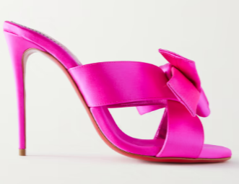 | 1221178P682 | Pink | Sandal |  |  | 1 | 1 | 4 | 1 | 3 | 1 |  |  | 1 | 1 |  |  | 3 | 1 |  |  |  |  |  |  |  | 17 | $995.00 | $547.35
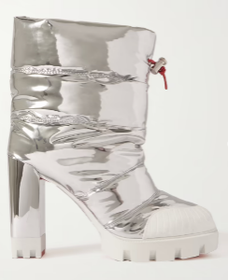 | 1220502S290 | Silver | Boot |  |  | 1 | 1 |  | 1 | 3 | 1 | 3 | 3 | 6 |  |  |  | 2 | 2 | 3 | 1 | 2 |  |  |  |  | 29 | $1,395.00 | $759.35
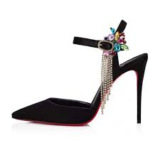 | 1220172B439 | Black | Pump |  |  |  |  | 1 |  | 3 |  | 4 | 3 | 2 | 4 |  |  | 3 |  | 3 |  | 3 |  |  |  |  | 26 | $1,495.00 | $812.35
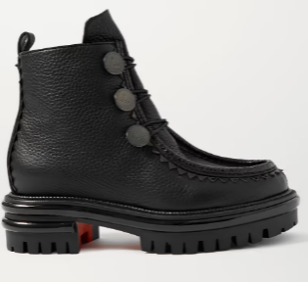 | 1210172BK01 | Black | Boot | 1 |  | 1 |  | 1 |  | 2 | 1 | 3 |  | 3 | 1 |  |  | 1 |  |  | 1 | 1 |  |  |  |  | 16 | $1,495.00 | $812.35
 | 3210871BG72 | Beige | Espadrilles | 2 |  | 1 |  | 2 | 1 |  |  |  |  | 5 |  |  |  | 6 |  | 5 |  | 3 |  |  |  |  | 25 | $695.00 | $388.35
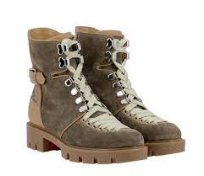 | 3210980J777 | Brown | Boot |  |  |  |  |  | 3 | 2 | 1 | 1 | 1 | 1 | 1 |  |  |  |  |  |  |  |  |  |  |  | 10 | $1,695.00 | $918.35
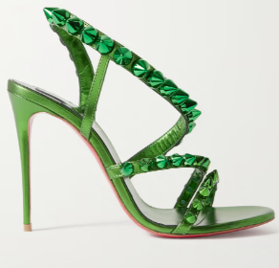 | 1221183E492 | Green | Sandal |  | 1 | 1 |  | 2 |  |  |  | 5 |  |  |  |  |  |  |  |  |  |  |  |  |  |  | 9 | $995.00 | $547.35
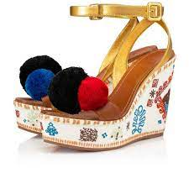 | 3220193T489 | Multicolored | Wedge | 1 |  |  |  | 2 |  | 2 |  | 1 |  |  |  |  |  | 1 |  | 1 |  |  |  |  |  |  | 8 | $1,695.00 | $918.35
 | 3210607BK01 | Black | Sandal |  |  | 2 |  | 2 |  | 2 |  |  |  | 1 |  |  |  |  |  |  |  |  |  |  |  |  | 7 | $745.00 | $414.85
 | 3210671J322 | Multicolored | Espadrilles |  |  |  |  | 1 |  | 1 |  | 1 |  | 1 |  |  |  | 1 |  |  |  | 2 |  |  |  |  | 7 | $695.00 | $388.35
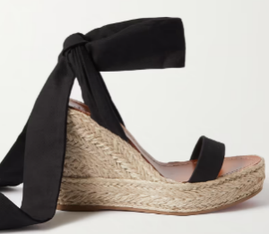 | 1221243B087 | Black | Wedge | 3 |  |  |  |  |  |  |  |  |  |  |  |  |  |  |  | 3 |  | 1 |  |  |  |  | 7 | $775.00 | $430.75
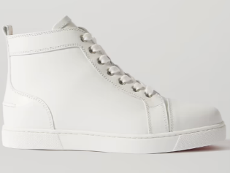 | 3091348WH01 | White | Sneaker | 1 |  | 1 | 1 | 3 |  | 3 | 1 | 2 |  |  |  |  |  |  |  |  |  |  |  |  |  |  | 12 | $717.43 | $400.24
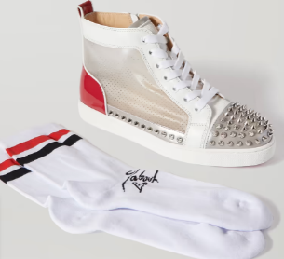 | 3200608CMA3 | Multicolored | Sneaker | 1 |  |  |  |  | 2 | 2 |  |  |  |  | 1 |  |  | 4 |  |  |  |  |  |  |  |  | 10 | $881.55 | $487.22
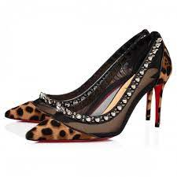 | 1210113C204 | Leopard | Pump | 1 | 1 |  |  |  |  | 2 | 1 |  |  |  |  |  |  |  |  |  |  |  |  |  |  |  | 5 | $995.00 | $547.35
 | 3191433B049 | Black | Sneaker | 1 |  | 1 |  | 3 |  |  |  |  |  |  |  |  |  |  |  |  |  |  |  |  |  |  | 5 | $775.00 | $430.75
 | 1220618BK01 | Black | Sneaker |  |  |  |  |  | 1 | 3 | 1 | 3 |  |  |  |  |  | 1 |  |  |  |  |  |  |  |  | 9 | $995.00 | $547.35
 | 3200180BK01 | Black | Sandal | 1 |  | 2 |  | 2 |  |  |  |  |  |  |  |  |  |  |  |  |  |  |  |  |  |  | 5 | $795.00 | $441.35
 | 3210994CM47 | Black | Boot |  |  |  |  |  |  | 1 |  |  |  | 2 |  |  |  | 1 |  | 1 |  | 1 |  |  |  |  | 6 | $3,195.00 | $1,713.35
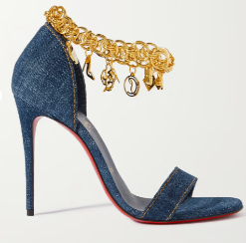 | 1220788T080 | Blue | Sandal |  |  |  |  | 1 |  | 1 |  | 1 |  |  |  |  |  | 1 |  | 1 |  |  |  |  |  |  | 5 | $1,495.00 | $812.35
 | 3211030WH51 | White | Sandal |  |  |  |  |  |  |  |  |  |  |  |  |  |  |  |  |  |  | 5 |  |  |  |  | 5 | $545.00 | $308.85
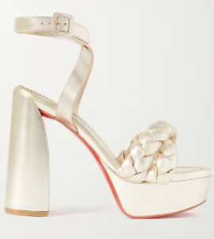 | 1221019T108 | Ivory | Heel |  |  |  |  | 1 |  |  |  |  |  |  |  |  |  |  |  |  |  |  |  |  |  |  | 1 | $1,095.00 | $600.35
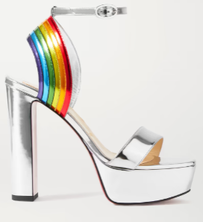 | 3200050Q912 | Silver | Sandal |  |  |  |  | 1 |  |  |  |  |  |  |  |  |  |  |  |  |  |  |  |  |  |  | 1 | $1,095.00 | $600.35
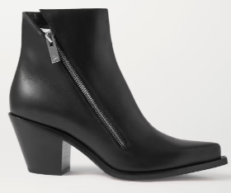 | 3200857BK01 | Black | Boot |  |  | 1 | 1 | 1 |  |  |  |  |  |  |  |  |  |  |  |  |  |  |  |  |  |  | 3 | $1,145.00 | $626.85
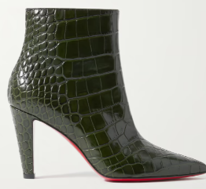 | 3210936E456 | Dark Green | Boot |  |  |  | 1 |  |  | 1 |  | 1 |  |  |  |  |  |  |  |  |  |  |  |  |  |  | 3 | $1,195.00 | $653.35
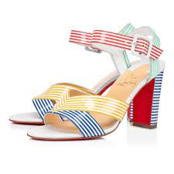 | 1201146CMA3 | Multicolored | Sneaker |  | 1 | 2 |  |  |  |  |  |  |  | 1 |  |  |  |  |  |  |  |  |  |  |  |  | 4 | $775.00 | $430.75
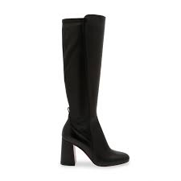 | 1200510BK01 | Black | Boot |  |  | 1 |  | 1 |  |  |  |  |  |  |  |  |  |  |  |  |  |  |  |  |  |  | 2 | $1,595.00 | $865.35
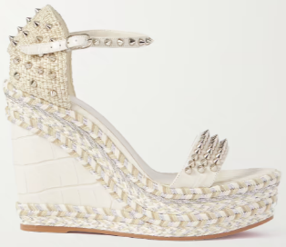 | 1220535W408 | Silver Multi | Sandal |  |  |  |  |  |  |  |  |  |  |  |  |  |  |  |  |  |  | 2 |  |  |  |  | 2 | $845.00 | $467.85
 | 1210676BL1U | Dark Blue | Pump |  |  |  | 1 | 1 |  |  |  |  |  |  |  |  |  |  |  |  |  |  |  |  |  |  | 2 | $795.00 | $441.35
 | 3191029BK01 | Black | Boot |  |  | 1 | 1 |  |  |  |  |  |  |  |  |  |  |  |  |  |  |  |  |  |  |  | 2 | $1,795.00 | $971.35
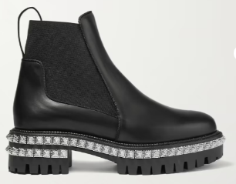 | 3191300BK01 | Black | Boot |  |  |  | 1 |  |  |  |  |  |  |  |  |  |  |  |  |  |  |  |  |  |  |  | 1 | $1,245.00 | $679.85
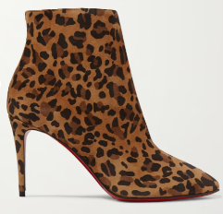 | 3190027BW1H | Leopard | Boot | 1 |  | 1 |  |  |  |  |  |  |  |  |  |  |  |  |  |  |  |  |  |  |  |  | 2 | $995.00 | $547.35
 | 3190502PK5S | Nude | Sandal |  |  |  |  |  |  |  |  |  |  |  |  |  |  |  |  | 1 |  |  |  |  |  |  | 1 | $995.00 | $547.35
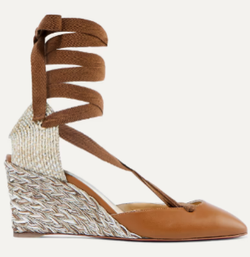 | 3190270C194 | Ivory | Wedge |  |  |  |  |  |  |  |  |  |  |  |  |  |  | 2 |  |  |  |  |  |  |  |  | 2 | $595.00 | $335.35
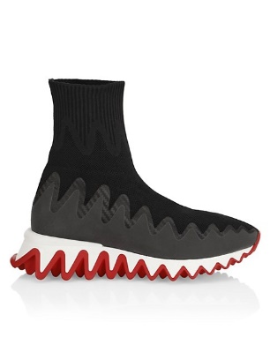 | 1190870BK01 | Black | Boot | 1 |  |  |  |  |  |  |  |  |  |  |  |  |  |  |  |  |  |  |  |  |  |  | 1 | $980.00 | $539.40
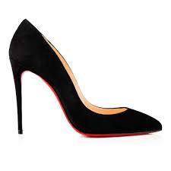 | 1170340BK01 | Black | Pump |  |  | 3 |  |  |  |  |  |  |  |  |  |  |  |  |  |  |  |  |  |  |  |  | 3 | $745.00 | $414.85
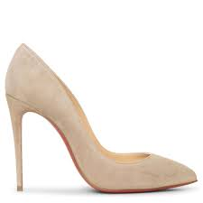 | 1180399BW8K | Nude | Heel |  | 1 |  |  | 3 | 3 |  |  | 1 |  |  |  |  |  |  |  |  |  |  |  |  |  |  | 8 | $795.00 | $441.35
 | 1191621GY4S | Animal Print | Sandal |  |  | 1 |  | 1 |  |  |  |  |  | 2 |  |  |  |  |  |  |  |  |  |  |  |  | 4 | $1,045.00 | $573.85
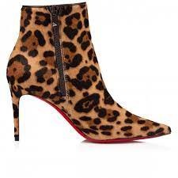 | 121003BW1F | Leopard | Boot |  |  |  |  | 1 |  |  |  |  |  |  |  |  |  |  |  |  |  |  |  |  |  |  | 1 | $1,295.00 | $706.35
 | 1210655N146 | Brown | Sandal | 2 |  | 9 |  | 4 |  |  |  |  |  |  |  |  |  |  |  |  |  |  |  |  |  |  | 15 | $350.00 | $205.50
 | 1220230R251 | Red | Sneaker |  |  |  |  |  |  |  |  |  |  |  |  |  |  |  |  | 2 |  |  |  | 3 |  |  | 5 | $950.00 | $523.50
 | 1220678BK01 | Black | Sneaker |  |  |  |  | 1 |  |  |  |  |  |  |  |  |  |  |  |  |  |  |  |  |  |  | 1 | $995.00 | $547.35
 | 1824766NMS21 | Pink | Pump | 1 |  |  |  |  |  |  |  |  |  |  |  |  |  |  |  |  |  |  |  |  |  |  | 1 | $945.00 | $520.85
 | 3190108N005 | Natural | Mule |  |  |  |  | 2 |  |  |  |  |  |  |  |  |  |  |  |  |  |  |  |  |  |  | 2 | $695.00 | $388.35
 | 3190513U809 | Blue | Espadrilles |  |  |  |  |  |  |  |  |  |  |  |  |  |  | 1 |  | 1 |  |  |  |  | 1 | 1 | 4 | $850.00 | $470.50
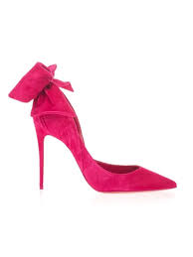 | 3201166P525 | Pink | Heel |  |  |  |  |  |  |  |  |  |  |  |  |  |  |  |  |  | 1 |  |  |  |  |  | 1 | $995.00 | $547.35
style ref | 3210101J493 | Blue | Sandal |  |  |  |  | 6 |  | 9 |  | 1 |  |  |  |  |  | 1 |  | 1 |  |  |  |  |  |  | 18 | $395.00 | $229.35
 | I220801W302 | White | Heel |  |  | 1 |  | 2 | 1 | 1 |  |  |  | 1 | 1 |  |  |  | 1 | 2 | 1 | 1 |  |  |  |  | 12 | $795.00 | $441.35
 | 1220464J992 | Gold | Pump |  |  | 1 |  | 1 |  | 2 | 1 | 1 | 1 |  | 1 |  |  | 1 |  |  |  | 1 |  |  |  |  | 10 | $1,075.00 | $589.75
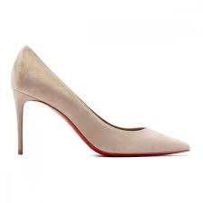 | 1220562F533 | Taupe | Pump |  |  | 1 |  | 1 |  |  |  |  |  |  |  |  |  |  |  |  |  |  |  |  |  |  | 2 | $775.00 | $430.75
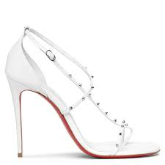 | 1220801W302 | White | Flat |  |  |  |  |  |  |  |  |  |  |  |  |  |  | 1 |  |  |  |  |  |  |  |  | 1 | $895.00 | $494.35
 | 3210985777 | Brown | Flat |  |  |  |  | 1 |  |  |  |  |  |  |  |  |  |  |  | 1 |  |  |  |  |  |  | 2 | $1,695.00 | $918.35

